GK Pricer
Legend | User input |  | Valuation model inputs
 |  |  | Field | Value | Units |  | Result Currency | FOR
 |  |  | CP | -1 | {-1,1} |  | Result/Domestic FX spot rate | 0.6812
 |  |  | S0 | 0.68120 | FOR/DOM |  | Result/Notional FX spot rate | 1.000
 |  |  | K | 0.5344 | FOR/DOM
Core / vanilla contractual inputs |  |  | rdomestic currency | 3.509% | [%] |  | Vanilla European option results
Field | Value | Units | rforeign currency | 3.873% | [%] |  | Results | Value | Units
Buy/Sell perspective | Buy |  | σ | 12.36131% | [%] |  | Option Value | 1,190,782 | FOR
Strike | 0.5344 | FOR/DOM | T | 5.00091241 | [Years] |  | Option Value Monte Carlo | 1,191,497 | FOR
 |  |  | F | 0.67095 | FOR/DOM |  | Δspot (spot delta) | (7,042,844) | FOR
Call/Put perspective | Put FOR, Call DOM |  | μby interest rate parity | -0.364% |  |  | Δforward (forward delta) | (8,548,001) | FOR
Expiry Date | 29-Dec-2028 | [Date] | μwith currency basis | -0.303% |  |  | Vega | 233,968 | FOR
Notional amount | 50,000,000 | [$] | rdomestic currency basis adjusted | 3.5698% | [%] |  | Theta | (851) | FOR
Notional currency | FOR |  | Foreign Currency Notional | 50,000,000 |  |  | Gamma | 378,480 | FOR
 |  |  | Domestic Currency Notional | 26,720,000 |  |  | Rhoforeign currency | (1,707,962) | FOR
Methodology | By Interest Rate Parity |  | r | 3.51% | [%] |  | Rhodomestic currency | (1,573,148) | FOR
 |  |  | q | 3.87% | [%]
Exotic contractual inputs |  |  | μ | -0.36% | [%] |  | European digital option results
Field | Value | Units |  |  |  |  | Results in Notional Currency | Value | Units
Barrier | 0.6744 | FOR/DOM | Vanilla option helpers |  |  |  | Option Value | 7,042,844 | FOR
 |  |  | Field | Value |  |  | Option Value Monte Carlo | 10,309,298 | FOR
Valuation inputs |  |  | d1 | 0.9504
Field | Value | Units | d2 | 0.6739
Valuation Date | 29-Dec-2023
FX spot price | 0.68120 | FOR/DOM | Vanilla European option pricing and analytical greeks
FX forward rate | 0.67095 | FOR/DOM | Field | by IR Parity | Units
Volatility | 12.36131% | [%] | Price (in the domestic currency, per 1 unit of foreign currency notional) | 1.62232% | DOM
Foreign currency interest rate | 3.8730% | [%] | Δspot (spot delta) | -14.0857% | FOR
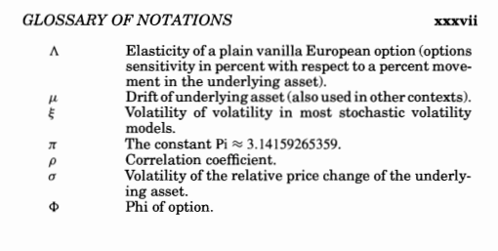
Domestic currency interest rate | 3.5090% | [%] | Δforward (forward delta) | -17.0960% | FOR
 |  |  | Vega (normalised to 1% change in volatility) | 0.3188% | DOM
 |  |  | Theta (normalised to 1 day) | -0.001159% | DOM
 |  |  | Gamma (normalised to 1% change in spot price) | 0.7570% | FOR
 |  |  | Rhoforeign currency (normalised to 1% change in the foreign currency interest rate) | -2.3269% | DOM
 |  |  | Rhodomestic currency (normalised to 1% change in the foreign currency interest rate) | -2.1433% | DOM

 |  |  | European digital option pricing
 |  |  | Field | Field | Units
 |  |  | % in-the-money | 17.10% | [%]
 |  |  | Discount Factor | 0.8239
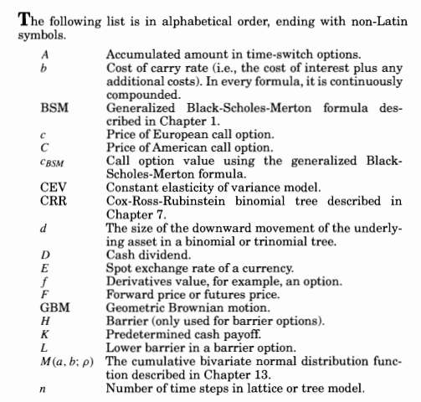
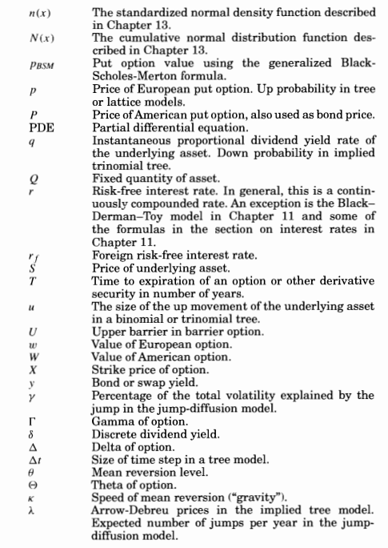
 |  |  | Price in notional currency | 7,042,844 | FOR
 |  |  | Price in domestic currency | 4,797,586 | DOM

 |  |  | Barrier option helpers | by IR Parity | Units
 |  |  | d1 | 0.1087
 |  |  | d2 | -0.1677
 |  |  | d3 | 0.0360
 |  |  | d4 | -0.2404
 |  |  | H | 0.6744 | FOR/DOM

 |  |  | Down and In | -0.06477093317 |  | DOM

 |  |  |  | by IR Parity | with FCB | Units
 |  |  |  | 0.0012922593417 |  | DOM

